MAIN MENU

Department of Education
DepEd Complex, Meralco Avenue, Pasig


 | SENIOR HIGH SCHOOL ELECTRONIC CLASS RECORD

 |  | 0

INSTRUCTIONS | DATA SHEET |  |  | FIRST QUARTER ECR |  | SEMESTRAL FINAL GRADE
 | SCORE SHEET WITH STATS |  |  | SECOND QUARTER ECR |  | FIRST QUARTER GRADE SHEET
 |  |  |  | RECOMPUTED GRADE |  | SECOND QUARTER GRADE SHEET

 |  |  |  |  |  |  | Nothing is here. Scroll to your left.
 |  |  |  |  | RONIL D. MANAYON
 |  |  |  |  | Developer

 |  |  | Nothing is here. Scroll up.

INSTRUCTION
BACK TO MAIN MENU OR PROCEED TO THE NEXT SHEET
Revised Grading-System for Grades 1-10 under the K to 12 Curriculum
(DepEd Order No. 8, s. 2015)
INSTRUCTIONS
BACK
Please do the following to maximize the use of this electronic tool:

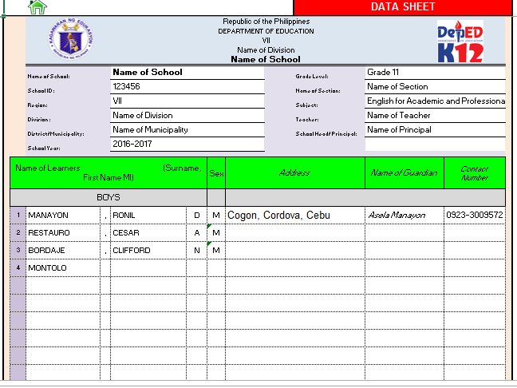
1. Enter the necessary data such as Name of School, Address of School, Grade/year Level and Section, Grading Period, Name of Pupils/Students, Name of Subject-Teacher and the Name of School Head on the DATA SHEET. (the rest of the sheets will be filled-in automatically)

2. After completing the required data in all required fields, CLICK the HOME button to go back to the MAIN Menu (Interface). CLICK FIRST QUARTER CLASS RECORD sheet.
3. Enter the Highest Possible Score (HPS) of all the the Summative Assessments (Written Work, Performance Tasks, Quarterly Assessment) on the Spaces provided for.(Existing data are only samples, you may delete the entries and change them)

4. Enter the Raw Scores of the Pupils/Students on the corresponding spaces.(The Total, Percentage Scores (PS) and Weighted Scores (WS) are generated automatically in all components, Written Work, Performance Tasks and Quarterly Assessment)

Raw Scores
Total, PS, WS

5. After the Quarterly Assessment, and when all the Summative Assessment Results are recorded, the Initial Grade (Sum of all the Weighted Scores (WW,PT and QA) will be automatically generated with the Quarterly Grade (Transmuted Grade ) and the corresponding Description(Either Outstanding, Very Satisfactory, Satisfactory, Fairly Satisfactory,or Did Not Meet Expectations).
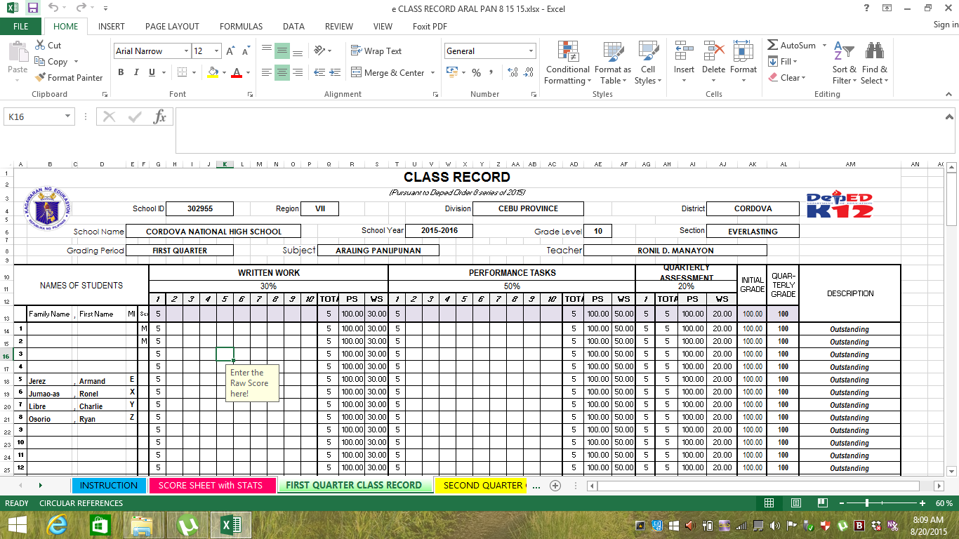
These are generated automatically

6. To SAVE your file, CLICK Office Button, then CLICK Save As, then Rename.
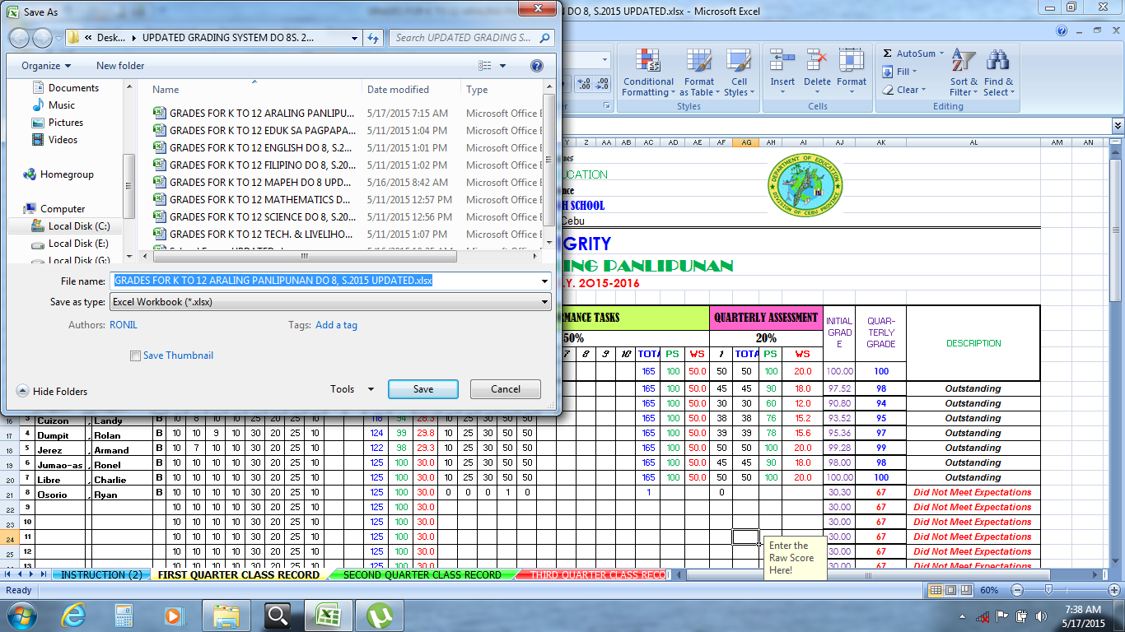
Rename

7. In Renaming, use a FILE NAME that is UNIQUE or something that you can remember or that will be different from other subjects/sections you are handling. (Ex. GRADES FOR K TO 12 ORAL COM MANAYON.xlsx)
8. Your Electronic Class Record with the GRADE SHEET is now READY for PRINTING (Use Legal-sized Bond paper). CLICK the FIRST QUARTER GRADE SHEETS on the following SHEETS (Print).
9. Your printed CLASS RECORD and GRADE SHEET is now Ready for Submission.
10. For the Next Grading Period or Quarter, USE the same SAVED File, this time CLICK SECOND QUARTER CLASS RECORD Sheet. Then DO the SAME Process.
11. When ALL the QUARTERS in a semester are Completed, the Average SEMESTRAL FINAL GRADE for the subject will be GENERATED automatically. Please click the Sheet SEMESTRAL FINAL GRADE. This Sheet is now READY for Printing.
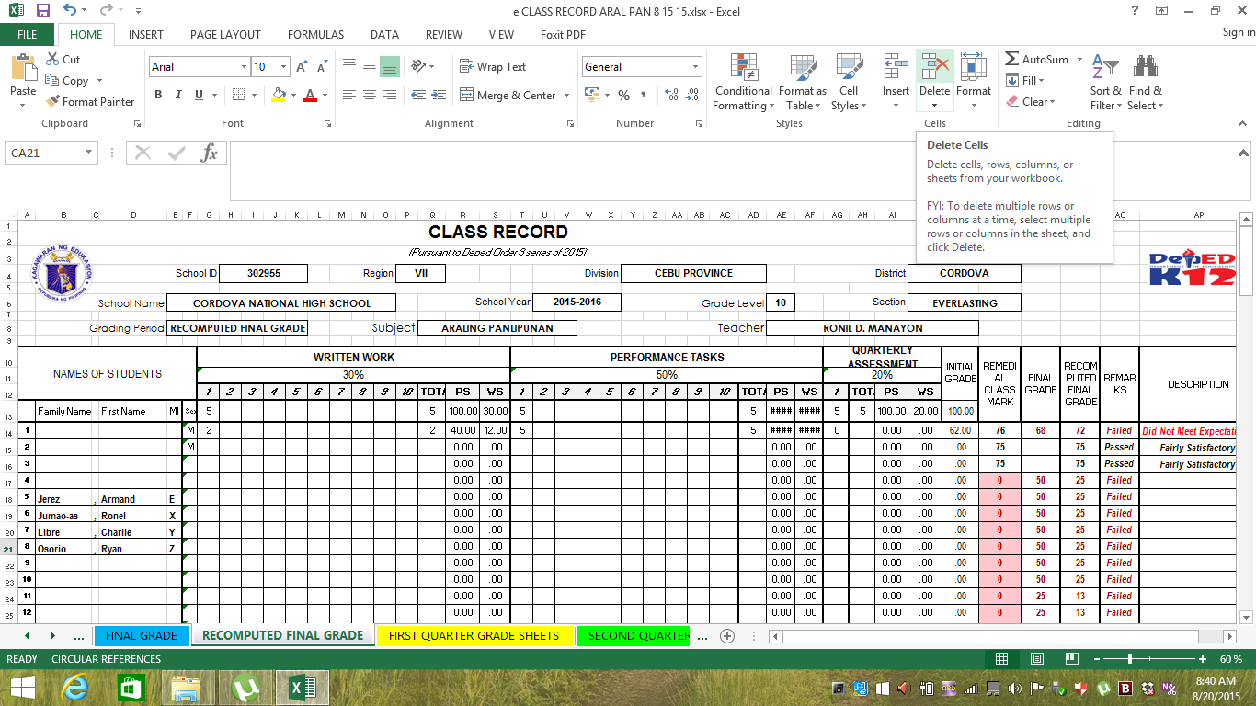
12. If Pupil/s/Student/s has/have a Rating equivalent to DID NOT MEET EXPECTATIONS, the following Pupil/s or Student/s shall take REMEDIAL CLASS and Summative Assessment scores shall be recorded in the Sheet RECOMPUTED FINAL GRADE SHEET. (Take note: you will only enter summative scores for REMEDIAL CLASS only for those Students/pupils with Final Grade of below 75%.)

13. The RECOMPUTED FINAL GRADE of those who undergo Remedial Class will be generated automatically and the final result shall then be entered in the required form and shall be submitted to the Division Office.
Testing for Validity of the SUMMATIVE ASSESSMENT Using 75% Proficiency Level of Students/ Pupils
1. CLICK the Sheet SCORE SHEET with STATS.
2. ENTER the scores on the fields/cells provided for, corresponding to the scores of the respective pupils/students.
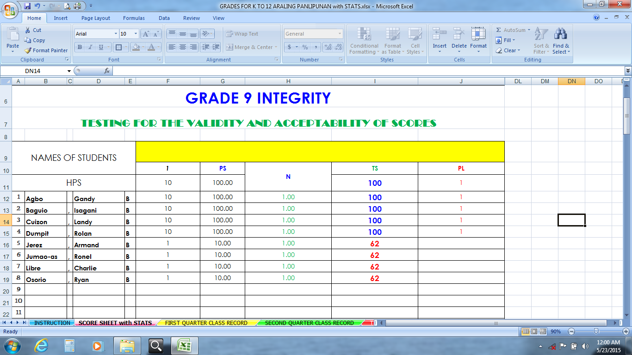

3. CHECK the interpretation if the following Summative Assessment is Valid or Not. (It is either Accepted (RECORDED) or for Retest).
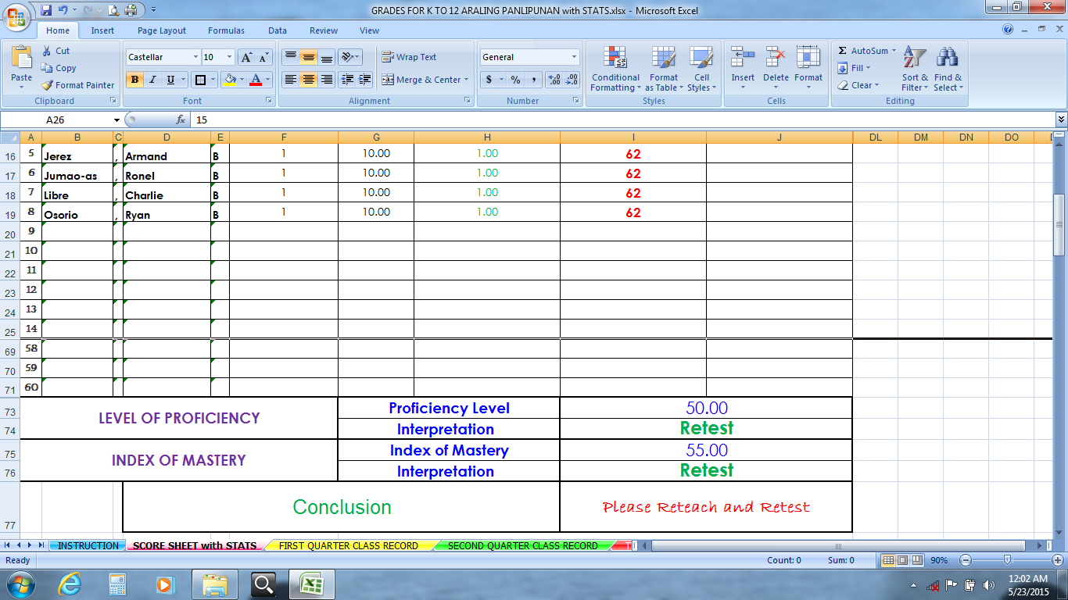

4. COPY the set of SCORES if the Conclusion is "These Summative Scores are Acceptable and can be Recorded" or else Reteach and Retest.
5. HIGHLIGHT the set of SCORES and COPY them to the FIRST QUARTER CLASS RECORD .
Adjusting Row Height, Column Width, Font Style and Size and others.
1. You can now Adjust Column Width and Row Height, Hide Rows, and Change Font Style and Size without Unprotecting the worksheets.

2. For EXCESS Rows, DO NOT Delete them, just HIDE them.
3. After doing all changes, please SAVE now your worksheet.

Thank you for USING this Electronic Tool! -RONIL D. MANAYON

FIRST QUARTER CLASS RECORD
 CLASS RECORD

(Pursuant to Deped Order 8 series of 2015)
 |  | (Pursuant to Deped Order 8 series of 2015) |  |  |  |  | 449024 |  |  |  |  | Region |  |  | VII |  |  |  |  | Division |  |  |  | Mandaue City |  |  |  |  |  |  | District |  |  |  | South District

 | School Name |  |  | Benedicto College |  |  |  |  |  |  |  |  |  |  |  | School Year |  |  |  | 2024-2025 |  |  |  | Grade Level |  |  |  |  |  |  |  | Section |  |  | 0

 | Grading Period |  |  | FIRST QUARTER |  |  |  |  |  |  |  | Subject |  |  |  | 0 |  |  |  |  |  |  |  |  |  |  | Teacher: |  |  | 0

NAMES OF STUDENTS |  |  |  |  |  | WRITTEN WORK |  |  |  |  |  |  |  |  |  |  |  |  | PERFORMANCE TASKS |  |  |  |  |  |  |  |  |  |  |  |  | QUARTERLY ASSESSMENT |  |  |  | INITIAL GRADE | QUAR- TERLY GRADE | DESCRIPTION

 |  |  |  |  |  | L1 | L2 | ST | notes | 5 | 6 | 7 | 8 | 9 | 10 | TOTAL | PS | WS | CL | DV | 3 | 4 | 5 | 6 | 7 | 8 | 9 | 10 | TOTAL | PS | WS | ME | TOTAL | PS | WS
 | Family Name | , | First Name | MI | Sex |  |  |  |  |  |  |  |  |  |  |  | #DIV/0! | #DIV/0! |  |  |  |  |  |  |  |  |  |  |  | #DIV/0! | #DIV/0! |  | 0 | #DIV/0! | #DIV/0! | #DIV/0! | #DIV/0!
 |  | , |  |  |  |  |  |  |  |  |  |  |  |  |  |  | #DIV/0! | #DIV/0! |  |  |  |  |  |  |  |  |  |  |  | #DIV/0! | #DIV/0! |  | 0 | #DIV/0! | #DIV/0! | #DIV/0! | #DIV/0! | #DIV/0!
 |  | , |  |  |  |  |  |  |  |  |  |  |  |  |  |  | #DIV/0! | #DIV/0! |  |  |  |  |  |  |  |  |  |  |  | #DIV/0! | #DIV/0! |  | 0 | #DIV/0! | #DIV/0! | #DIV/0! | #DIV/0! | #DIV/0!
 |  | , |  |  |  |  |  |  |  |  |  |  |  |  |  |  | #DIV/0! | #DIV/0! |  |  |  |  |  |  |  |  |  |  |  | #DIV/0! | #DIV/0! |  | 0 | #DIV/0! | #DIV/0! | #DIV/0! | #DIV/0! | #DIV/0!
 |  | , |  |  |  |  |  |  |  |  |  |  |  |  |  |  | #DIV/0! | #DIV/0! |  |  |  |  |  |  |  |  |  |  |  | #DIV/0! | #DIV/0! |  | 0 | #DIV/0! | #DIV/0! | #DIV/0! | #DIV/0! | #DIV/0!
 |  | , |  |  |  |  |  |  |  |  |  |  |  |  |  |  | #DIV/0! | #DIV/0! |  |  |  |  |  |  |  |  |  |  |  | #DIV/0! | #DIV/0! |  | 0 | #DIV/0! | #DIV/0! | #DIV/0! | #DIV/0! | #DIV/0!
 |  | , |  |  |  |  |  |  |  |  |  |  |  |  |  |  | #DIV/0! | #DIV/0! |  |  |  |  |  |  |  |  |  |  |  | #DIV/0! | #DIV/0! |  | 0 | #DIV/0! | #DIV/0! | #DIV/0! | #DIV/0! | #DIV/0!
 |  | , |  |  |  |  |  |  |  |  |  |  |  |  |  |  | #DIV/0! | #DIV/0! |  |  |  |  |  |  |  |  |  |  |  | #DIV/0! | #DIV/0! |  | 0 | #DIV/0! | #DIV/0! | #DIV/0! | #DIV/0! | #DIV/0!
 |  | , |  |  |  |  |  |  |  |  |  |  |  |  |  |  | #DIV/0! | #DIV/0! |  |  |  |  |  |  |  |  |  |  |  | #DIV/0! | #DIV/0! |  | 0 | #DIV/0! | #DIV/0! | #DIV/0! | #DIV/0! | #DIV/0!
 |  | , |  |  |  |  |  |  |  |  |  |  |  |  |  |  | #DIV/0! | #DIV/0! |  |  |  |  |  |  |  |  |  |  |  | #DIV/0! | #DIV/0! |  | 0 | #DIV/0! | #DIV/0! | #DIV/0! | #DIV/0! | #DIV/0!
 |  | , |  |  |  |  |  |  |  |  |  |  |  |  |  |  | #DIV/0! | #DIV/0! |  |  |  |  |  |  |  |  |  |  |  | #DIV/0! | #DIV/0! |  | 0 | #DIV/0! | #DIV/0! | #DIV/0! | #DIV/0! | #DIV/0!
 |  | , |  |  |  |  |  |  |  |  |  |  |  |  |  |  | #DIV/0! | #DIV/0! |  |  |  |  |  |  |  |  |  |  |  | #DIV/0! | #DIV/0! |  | 0 | #DIV/0! | #DIV/0! | #DIV/0! | #DIV/0! | #DIV/0!
 |  | , |  |  |  |  |  |  |  |  |  |  |  |  |  |  | #DIV/0! | #DIV/0! |  |  |  |  |  |  |  |  |  |  |  | #DIV/0! | #DIV/0! |  | 0 | #DIV/0! | #DIV/0! | #DIV/0! | #DIV/0! | #DIV/0!
 |  | , |  |  |  |  |  |  |  |  |  |  |  |  |  |  | #DIV/0! | #DIV/0! |  |  |  |  |  |  |  |  |  |  |  | #DIV/0! | #DIV/0! |  | 0 | #DIV/0! | #DIV/0! | #DIV/0! | #DIV/0! | #DIV/0!
 |  | , |  |  |  |  |  |  |  |  |  |  |  |  |  |  | #DIV/0! | #DIV/0! |  |  |  |  |  |  |  |  |  |  |  | #DIV/0! | #DIV/0! |  | 0 | #DIV/0! | #DIV/0! | #DIV/0! | #DIV/0! | #DIV/0!
 |  | , |  |  |  |  |  |  |  |  |  |  |  |  |  |  | #DIV/0! | #DIV/0! |  |  |  |  |  |  |  |  |  |  |  | #DIV/0! | #DIV/0! |  | 0 | #DIV/0! | #DIV/0! | #DIV/0! | #DIV/0! | #DIV/0!
 |  | , |  |  |  |  |  |  |  |  |  |  |  |  |  |  | #DIV/0! | #DIV/0! |  |  |  |  |  |  |  |  |  |  |  | #DIV/0! | #DIV/0! |  | 0 | #DIV/0! | #DIV/0! | #DIV/0! | #DIV/0! | #DIV/0!
 |  | , |  |  |  |  |  |  |  |  |  |  |  |  |  |  | #DIV/0! | #DIV/0! |  |  |  |  |  |  |  |  |  |  |  | #DIV/0! | #DIV/0! |  | 0 | #DIV/0! | #DIV/0! | #DIV/0! | #DIV/0! | #DIV/0!
 |  | , |  |  |  |  |  |  |  |  |  |  |  |  |  |  | #DIV/0! | #DIV/0! |  |  |  |  |  |  |  |  |  |  |  | #DIV/0! | #DIV/0! |  | 0 | #DIV/0! | #DIV/0! | #DIV/0! | #DIV/0! | #DIV/0!
 |  | , |  |  |  |  |  |  |  |  |  |  |  |  |  |  | #DIV/0! | #DIV/0! |  |  |  |  |  |  |  |  |  |  |  | #DIV/0! | #DIV/0! |  | 0 | #DIV/0! | #DIV/0! | #DIV/0! | #DIV/0! | #DIV/0!
 |  | , |  |  |  |  |  |  |  |  |  |  |  |  |  |  | #DIV/0! | #DIV/0! |  |  |  |  |  |  |  |  |  |  |  | #DIV/0! | #DIV/0! |  | 0 | #DIV/0! | #DIV/0! | #DIV/0! | #DIV/0! | #DIV/0!
 |  | , |  |  |  |  |  |  |  |  |  |  |  |  |  |  | #DIV/0! | #DIV/0! |  |  |  |  |  |  |  |  |  |  |  | #DIV/0! | #DIV/0! |  | 0 | #DIV/0! | #DIV/0! | #DIV/0! | #DIV/0! | #DIV/0!
 |  | , |  |  |  |  |  |  |  |  |  |  |  |  |  |  | #DIV/0! | #DIV/0! |  |  |  |  |  |  |  |  |  |  |  | #DIV/0! | #DIV/0! |  | 0 | #DIV/0! | #DIV/0! | #DIV/0! | #DIV/0! | #DIV/0!
 |  | , |  |  |  |  |  |  |  |  |  |  |  |  |  |  | #DIV/0! | #DIV/0! |  |  |  |  |  |  |  |  |  |  |  | #DIV/0! | #DIV/0! |  | 0 | #DIV/0! | #DIV/0! | #DIV/0! | #DIV/0! | #DIV/0!
 |  | , |  |  |  |  |  |  |  |  |  |  |  |  |  |  | #DIV/0! | #DIV/0! |  |  |  |  |  |  |  |  |  |  |  | #DIV/0! | #DIV/0! |  | 0 | #DIV/0! | #DIV/0! | #DIV/0! | #DIV/0! | #DIV/0!
 |  | , |  |  |  |  |  |  |  |  |  |  |  |  |  |  | #DIV/0! | #DIV/0! |  |  |  |  |  |  |  |  |  |  |  | #DIV/0! | #DIV/0! |  | 0 | #DIV/0! | #DIV/0! | #DIV/0! | #DIV/0! | #DIV/0!
 |  | , |  |  |  |  |  |  |  |  |  |  |  |  |  |  | #DIV/0! | #DIV/0! |  |  |  |  |  |  |  |  |  |  |  | #DIV/0! | #DIV/0! |  | 0 | #DIV/0! | #DIV/0! | #DIV/0! | #DIV/0! | #DIV/0!
 |  | , |  |  |  |  |  |  |  |  |  |  |  |  |  |  | #DIV/0! | #DIV/0! |  |  |  |  |  |  |  |  |  |  |  | #DIV/0! | #DIV/0! |  | 0 | #DIV/0! | #DIV/0! | #DIV/0! | #DIV/0! | #DIV/0!
 |  | , |  |  |  |  |  |  |  |  |  |  |  |  |  |  | #DIV/0! | #DIV/0! |  |  |  |  |  |  |  |  |  |  |  | #DIV/0! | #DIV/0! |  | 0 | #DIV/0! | #DIV/0! | #DIV/0! | #DIV/0! | #DIV/0!
 |  | , |  |  |  |  |  |  |  |  |  |  |  |  |  |  | #DIV/0! | #DIV/0! |  |  |  |  |  |  |  |  |  |  |  | #DIV/0! | #DIV/0! |  | 0 | #DIV/0! | #DIV/0! | #DIV/0! | #DIV/0! | #DIV/0!
 |  | , |  |  |  |  |  |  |  |  |  |  |  |  |  |  | #DIV/0! | #DIV/0! |  |  |  |  |  |  |  |  |  |  |  | #DIV/0! | #DIV/0! |  | 0 | #DIV/0! | #DIV/0! | #DIV/0! | #DIV/0! | #DIV/0!
 |  | , |  |  |  |  |  |  |  |  |  |  |  |  |  |  | #DIV/0! | #DIV/0! |  |  |  |  |  |  |  |  |  |  |  | #DIV/0! | #DIV/0! |  | 0 | #DIV/0! | #DIV/0! | #DIV/0! | #DIV/0! | #DIV/0!
 |  | , |  |  |  |  |  |  |  |  |  |  |  |  |  |  | #DIV/0! | #DIV/0! |  |  |  |  |  |  |  |  |  |  |  | #DIV/0! | #DIV/0! |  | 0 | #DIV/0! | #DIV/0! | #DIV/0! | #DIV/0! | #DIV/0!
 |  | , |  |  |  |  |  |  |  |  |  |  |  |  |  |  | #DIV/0! | #DIV/0! |  |  |  |  |  |  |  |  |  |  |  | #DIV/0! | #DIV/0! |  | 0 | #DIV/0! | #DIV/0! | #DIV/0! | #DIV/0! | #DIV/0!
 |  | , |  |  |  |  |  |  |  |  |  |  |  |  |  |  | #DIV/0! | #DIV/0! |  |  |  |  |  |  |  |  |  |  |  | #DIV/0! | #DIV/0! |  | 0 | #DIV/0! | #DIV/0! | #DIV/0! | #DIV/0! | #DIV/0!
 |  | , |  |  |  |  |  |  |  |  |  |  |  |  |  |  | #DIV/0! | #DIV/0! |  |  |  |  |  |  |  |  |  |  |  | #DIV/0! | #DIV/0! |  | 0 | #DIV/0! | #DIV/0! | #DIV/0! | #DIV/0! | #DIV/0!
 |  | , |  |  |  |  |  |  |  |  |  |  |  |  |  |  | #DIV/0! | #DIV/0! |  |  |  |  |  |  |  |  |  |  |  | #DIV/0! | #DIV/0! |  | 0 | #DIV/0! | #DIV/0! | #DIV/0! | #DIV/0! | #DIV/0!
 |  | , |  |  |  |  |  |  |  |  |  |  |  |  |  |  | #DIV/0! | #DIV/0! |  |  |  |  |  |  |  |  |  |  |  | #DIV/0! | #DIV/0! |  | 0 | #DIV/0! | #DIV/0! | #DIV/0! | #DIV/0! | #DIV/0!
 |  | , |  |  |  |  |  |  |  |  |  |  |  |  |  |  | #DIV/0! | #DIV/0! |  |  |  |  |  |  |  |  |  |  |  | #DIV/0! | #DIV/0! |  | 0 | #DIV/0! | #DIV/0! | #DIV/0! | #DIV/0! | #DIV/0!
 |  | , |  |  |  |  |  |  |  |  |  |  |  |  |  |  | #DIV/0! | #DIV/0! |  |  |  |  |  |  |  |  |  |  |  | #DIV/0! | #DIV/0! |  | 0 | #DIV/0! | #DIV/0! | #DIV/0! | #DIV/0! | #DIV/0!
 |  | , |  |  |  |  |  |  |  |  |  |  |  |  |  |  | #DIV/0! | #DIV/0! |  |  |  |  |  |  |  |  |  |  |  | #DIV/0! | #DIV/0! |  | 0 | #DIV/0! | #DIV/0! | #DIV/0! | #DIV/0! | #DIV/0!
 |  | , |  |  |  |  |  |  |  |  |  |  |  |  |  |  | #DIV/0! | #DIV/0! |  |  |  |  |  |  |  |  |  |  |  | #DIV/0! | #DIV/0! |  | 0 | #DIV/0! | #DIV/0! | #DIV/0! | #DIV/0! | #DIV/0!
 |  | , |  |  |  |  |  |  |  |  |  |  |  |  |  |  | #DIV/0! | #DIV/0! |  |  |  |  |  |  |  |  |  |  |  | #DIV/0! | #DIV/0! |  | 0 | #DIV/0! | #DIV/0! | #DIV/0! | #DIV/0! | #DIV/0!
 |  | , |  |  |  |  |  |  |  |  |  |  |  |  |  |  | #DIV/0! | #DIV/0! |  |  |  |  |  |  |  |  |  |  |  | #DIV/0! | #DIV/0! |  | 0 | #DIV/0! | #DIV/0! | #DIV/0! | #DIV/0! | #DIV/0!
 |  | , |  |  |  |  |  |  |  |  |  |  |  |  |  |  | #DIV/0! | #DIV/0! |  |  |  |  |  |  |  |  |  |  |  | #DIV/0! | #DIV/0! |  | 0 | #DIV/0! | #DIV/0! | #DIV/0! | #DIV/0! | #DIV/0!
 |  | , |  |  |  |  |  |  |  |  |  |  |  |  |  |  | #DIV/0! | #DIV/0! |  |  |  |  |  |  |  |  |  |  |  | #DIV/0! | #DIV/0! |  | 0 | #DIV/0! | #DIV/0! | #DIV/0! | #DIV/0! | #DIV/0!
 |  | , |  |  |  |  |  |  |  |  |  |  |  |  |  |  | #DIV/0! | #DIV/0! |  |  |  |  |  |  |  |  |  |  |  | #DIV/0! | #DIV/0! |  | 0 | #DIV/0! | #DIV/0! | #DIV/0! | #DIV/0! | #DIV/0!
 |  | , |  |  |  |  |  |  |  |  |  |  |  |  |  |  | #DIV/0! | #DIV/0! |  |  |  |  |  |  |  |  |  |  |  | #DIV/0! | #DIV/0! |  | 0 | #DIV/0! | #DIV/0! | #DIV/0! | #DIV/0! | #DIV/0!
 |  | , |  |  |  |  |  |  |  |  |  |  |  |  |  |  | #DIV/0! | #DIV/0! |  |  |  |  |  |  |  |  |  |  |  | #DIV/0! | #DIV/0! |  | 0 | #DIV/0! | #DIV/0! | #DIV/0! | #DIV/0! | #DIV/0!
 |  | , |  |  |  |  |  |  |  |  |  |  |  |  |  |  | #DIV/0! | #DIV/0! |  |  |  |  |  |  |  |  |  |  |  | #DIV/0! | #DIV/0! |  | 0 | #DIV/0! | #DIV/0! | #DIV/0! | #DIV/0! | #DIV/0!
 |  | , |  |  |  |  |  |  |  |  |  |  |  |  |  |  | #DIV/0! | #DIV/0! |  |  |  |  |  |  |  |  |  |  |  | #DIV/0! | #DIV/0! |  | 0 | #DIV/0! | #DIV/0! | #DIV/0! | #DIV/0! | #DIV/0!
 |  | , |  |  |  |  |  |  |  |  |  |  |  |  |  |  | #DIV/0! | #DIV/0! |  |  |  |  |  |  |  |  |  |  |  | #DIV/0! | #DIV/0! |  | 0 | #DIV/0! | #DIV/0! | #DIV/0! | #DIV/0! | #DIV/0!
 |  | , |  |  |  |  |  |  |  |  |  |  |  |  |  |  | #DIV/0! | #DIV/0! |  |  |  |  |  |  |  |  |  |  |  | #DIV/0! | #DIV/0! |  | 0 | #DIV/0! | #DIV/0! | #DIV/0! | #DIV/0! | #DIV/0!
 |  | , |  |  |  |  |  |  |  |  |  |  |  |  |  |  | #DIV/0! | #DIV/0! |  |  |  |  |  |  |  |  |  |  |  | #DIV/0! | #DIV/0! |  | 0 | #DIV/0! | #DIV/0! | #DIV/0! | #DIV/0! | #DIV/0!
 |  | , |  |  |  |  |  |  |  |  |  |  |  |  |  |  | #DIV/0! | #DIV/0! |  |  |  |  |  |  |  |  |  |  |  | #DIV/0! | #DIV/0! |  | 0 | #DIV/0! | #DIV/0! | #DIV/0! | #DIV/0! | #DIV/0!
 |  | , |  |  |  |  |  |  |  |  |  |  |  |  |  |  | #DIV/0! | #DIV/0! |  |  |  |  |  |  |  |  |  |  |  | #DIV/0! | #DIV/0! |  | 0 | #DIV/0! | #DIV/0! | #DIV/0! | #DIV/0! | #DIV/0!
 |  | , |  |  |  |  |  |  |  |  |  |  |  |  |  |  | #DIV/0! | #DIV/0! |  |  |  |  |  |  |  |  |  |  |  | #DIV/0! | #DIV/0! |  | 0 | #DIV/0! | #DIV/0! | #DIV/0! | #DIV/0! | #DIV/0!
 |  | , |  |  |  |  |  |  |  |  |  |  |  |  |  |  | #DIV/0! | #DIV/0! |  |  |  |  |  |  |  |  |  |  |  | #DIV/0! | #DIV/0! |  | 0 | #DIV/0! | #DIV/0! | #DIV/0! | #DIV/0! | #DIV/0!
 |  | , |  |  |  |  |  |  |  |  |  |  |  |  |  |  | #DIV/0! | #DIV/0! |  |  |  |  |  |  |  |  |  |  |  | #DIV/0! | #DIV/0! |  | 0 | #DIV/0! | #DIV/0! | #DIV/0! | #DIV/0! | #DIV/0!
 |  | , |  |  |  |  |  |  |  |  |  |  |  |  |  |  | #DIV/0! | #DIV/0! |  |  |  |  |  |  |  |  |  |  |  | #DIV/0! | #DIV/0! |  | 0 | #DIV/0! | #DIV/0! | #DIV/0! | #DIV/0! | #DIV/0!
 |  | , |  |  |  |  |  |  |  |  |  |  |  |  |  |  | #DIV/0! | #DIV/0! |  |  |  |  |  |  |  |  |  |  |  | #DIV/0! | #DIV/0! |  | 0 | #DIV/0! | #DIV/0! | #DIV/0! | #DIV/0! | #DIV/0!
0 |  |  |  |  |  |  |  |  |  |  |  |  |  |  |  |  |  |  |  |  |  |  |  |  |  |  |  |  |  |  |  |  |  | Dr. Johner D. Montegrande
Subject Teacher |  |  |  |  |  |  |  |  |  |  |  |  |  |  |  |  |  |  |  |  |  |  |  |  |  |  | Department Coordinator |  |  |  |  |  |  | School Administrator

 |  |  |  |  |  |  |  |  |  |  |  |  | If you have Questions, You can reach me at this number: |  |  |  |  |  |  |  |  |  |  |  | 0925-3009572

 | STUDENTS' PERFORMANCE PROFILE
 | LEVEL OF PROFICIENCY |  |  |  |  | MALE |  | %AGE |  | FEMALE |  | %AGE |  | TOTAL |  | %AGE
 | Outstanding
 | Very Satisfactory
 | Satisfactory
 | Fairly Satisfactory
 | Did Not Meet Expectations

